Sheet1
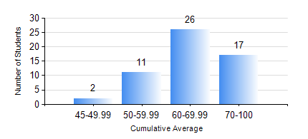
 |  |  | KWAME NKRUMAH UNIVERSITY OF SCIENCE AND TECHNOLOGY, KUMASI Department of Mechanical Engineering

 |  |  | BSC. AEROSPACE ENG., General Option

 |  |  | COMPREHENSIVE RECORD OF EXAMINATION RESULTS

 |  |  | RESULTS OF YEAR 3 FIRST SEMESTER, 2021/2022 ACADEMIC YEAR

 | Sn | Course Code |  | Course Name | Credit Hours | Min. Mark | Max. Mark | Avg. Mark | Std. Dev. | No. Passed | No. Trailed | No. (Df) | No. (I) | No. (I*) | No. Tagged(I,I*,Df) | Total
 | 0. |  |  |  |  |  |  | 0 | 0 | 0 | 0 | 0 | 0 | 0 | 0 | 1
 | 1. | AERO 351 |  | AERODYNAMICS I | 3 | 6 | 89 | 60 | 19.82 | 46 | 9 | 0 | 0 | 0 | 0 | 55
 | 2. | AERO 391 |  | AEROSPACE INDUSTRY AND ENGINEERING | 3 | 37 | 94 | 72 | 12.32 | 54 | 1 | 0 | 0 | 0 | 0 | 55
 | 3. | AERO 393 |  | AEROSPACE ENGINEERING VACATION TRAINING II | 2 | 60 | 81 | 74 | 5.09 | 55 | 0 | 0 | 0 | 0 | 0 | 55
 | 4. | AERO 395 |  | AEROSPACE ENGINEERING LAB. I | 1 | 41 | 72 | 57 | 8.54 | 55 | 0 | 0 | 0 | 0 | 0 | 55
 | 5. | ECONS 151 |  | INTRODUCTION TO ECONOMICS 1 | 2 | 17 | 86 | 64 | 12.77 | 53 | 2 | 0 | 0 | 0 | 0 | 55
 | 6. | MATH 351 |  | NUMERICAL ANALYSIS | 2 | 26 | 90 | 65 | 11.89 | 54 | 1 | 0 | 0 | 0 | 0 | 55
 | 7. | MATH 353 |  | PROBABILITY AND STATISTICS | 2 | 38 | 89 | 67 | 11.2 | 54 | 1 | 0 | 0 | 0 | 0 | 55
 | 8. | ME 363 |  | AUTOMATIC CONTROL I | 2 | 42 | 80 | 63 | 8.1 | 54 | 0 | 0 | 1 | 0 | 1 | 55

